PROCESS
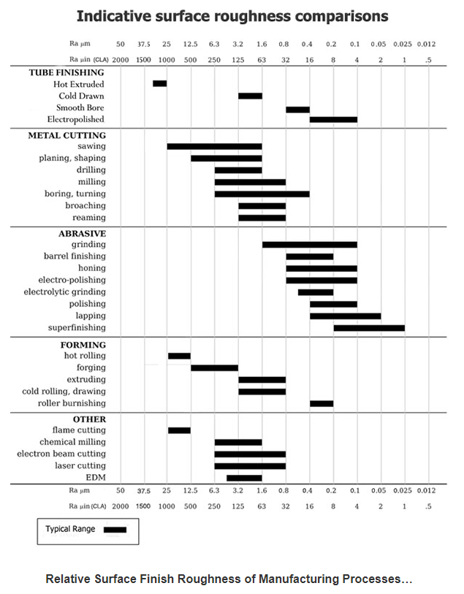
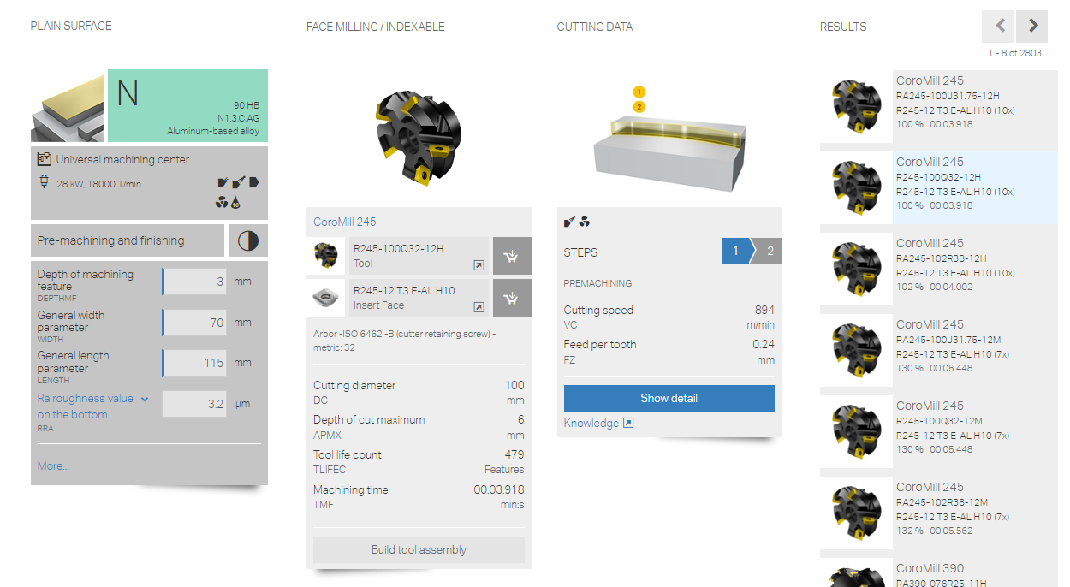
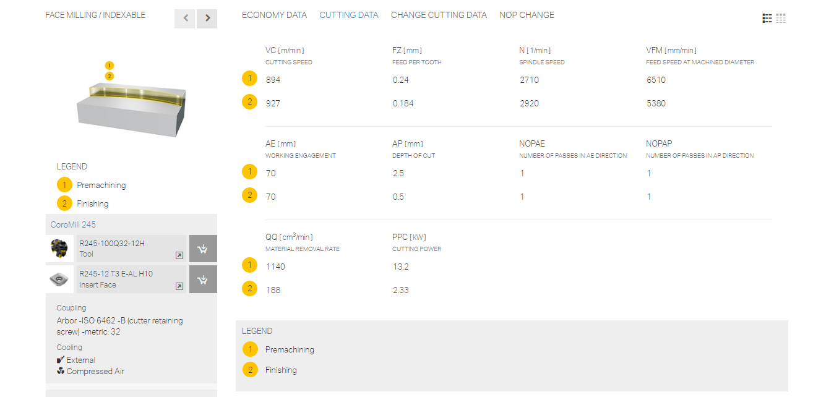
PROCESS
 |  |  |  |  |  |  |  |  |  |  | 19.92 |  | 21.79
S NO | ITEM DESCRIPTION | PROCESS DESCRIPTION | QTY | MACHINERY COST |  |  |  |  |  |  |  |  | TOTAL VALUE ADD | REMARKS
 |  |  |  | Operation | SC1 | Norms Rs/Unit | UOM | Units | Time in Sec | Parts Per unit | Cost/part
1 | Machining | Loading to the machine | 1 | VMC |  | 375 | per hr |  | 15 | 1.00 | 1.56 |  | 1.56
2 |  | Milling Flange top 100x 70 | 1 | VMC |  | 375 | per hr |  | 22 | 1.00 | 2.29 |  | 2.29 | two pass
3 |  | Drilling Ø 9 - 30 mm through | 2 | VMC |  | 375 | per hr |  | 10 | 1.00 | 1.04 |  | 2.08
5 |  | Second setting | 1 | VMC |  | 375 | per hr |  | 15 | 1.00 | 1.56 |  | 1.56
6 |  | Milling Boss1-30X30 | 1 | VMC |  | 375 | per hr |  | 8 | 1.00 | 0.83 |  | 0.83
3 |  | Drilling Ø 14 - 25 mm through | 1 | VMC |  | 375 | per hr |  | 11 | 1.00 | 1.15 |  | 1.15
3 |  | Tapping Ø 14.5 - 25 mm through | 1 | VMC |  | 375 | per hr |  | 22 | 1.00 | 2.29 |  | 2.29
 |  | Indexing | 1 | VMC |  | 375 | per hr |  | 5 | 1.00 | 0.52 |  | 0.52
7 |  | Milling Boss2-30X30 | 1 | VMC |  | 375 | per hr |  | 8 | 1.00 | 0.83 |  | 0.83
3 |  | Drilling Ø 14 - 25 mm through | 1 | VMC |  | 375 | per hr |  | 11 | 1.00 | 1.15 |  | 1.15
3 |  | Tapping Ø 14.5 - 25 mm through | 1 | VMC |  | 375 | per hr |  | 22 | 1.00 | 2.29 |  | 2.29
5 |  | Third setting | 1 | VMC |  | 375 | per hr |  | 15 | 1.00 | 1.56 |  | 1.56
6 |  | Milling Flange bottom 30X35 | 2 | VMC |  | 375 | per hr |  | 8 | 1.00 | 0.83 |  | 1.67
24 |  | Dressing | 1 | Manual Process |  |  |  |  |  |  | 1.00 |  | 1.00
25 |  | Packing, Storage& Despatch | 1 | Manual Process |  |  |  |  |  |  | 1.00 |  | 1.00

 | 2/kg on casting wt | Shot blasting |  | Drilling
 | 7/kg on cast wt | Impregnation |  | Ø | Depth | CS | RPM | Feed mm/rev | Time
 | 5 | Leak test |  | 14.5 | 25.0 | 120 | 2634 | 0.05 | 22
 | 5 | Cleaning
 |  |  |  | Milling
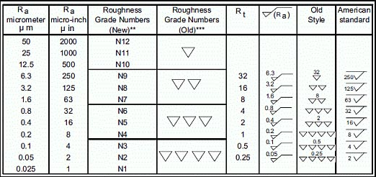
 |  |  |  | Cutter Ø | Length | Width | No of pass | No of insert | CS | RPM | Feed mm/rev | Time
 |  |  |  | 40 | 30.0 | 35.0 | 1 | 3 | 600 | 4775 | 0.3 | 8

 |  |  |  | 5 seconds considered for rapid movement
 |  |  |  | 5 seconds considered for centre drilling
 |  |  |  | Cutting speed for Aluminium considered is 300m/min for carbide inserts and 150m/min for HSS tools

 |  |  |  | Drilling Tool Life
 |  |  |  | Material | Nearest drill size | Hole depth | No of holes
 |  |  |  | SG iron/Casting | 20 | 100 | 400

 |  |  |  | Milling insert Life
 |  |  |  | Material | Mill area (mm^2) | No of insert | Depth of cut (mm) | No of usage
 |  |  |  | Carbon Steel | 38550 | 6 | 3 | 467

